Calculator
 |  |  | BCR4XX Calculator
Choose Device Type | BCR421 | Units | Issue 1
Recommended enable voltage | 3.3 | V | Copyright, Diodes Incorporated, 2016
Recommended Vout range | 1.4 to 6 | V
Internal base resistance | 1.5 | kΩ

Input system design parameters | INPUT | Units | Recommendations/Comments | Output parameters | RESULTS | Units
DC input voltage | 30 | V | Voltage at the OUT pin is too high.For optimum performance , set this value to bring the Vout within the recommended operating range in cell B4 | Vout | 30 | V
No of LEDs |  |  | Voltage at the OUT pin is too high. For optimum performance , set this value to bring the Vout within the recommended operating range in cell B4 | Rext | 29.2 | Ω
LED current | 40 | mA | Set a value greater than 10mA for BCR401,BCR420,BCR421 and set a value greater than 20mA for BCR402 and 50mA for BCR405 | Power Dissipation in BCR | 1218.26 | mW
Enable voltage | 9 | V | Enter a value equal to or higher than the recommended value in cell B3 | Power Dissipation in Rext | 27.34 | mW
Vf per LED | 3.1 | V | Typically 3.1V | P(in) | 1.25 | W
Ambient temperature | 10 | °C | Enter a Ta value between -55°C and 150°C | sys efficiency | 0.000 | %
Cu area in mm square | 400 | mm2 | Enter a Cu area between 25 and 2500 | Rth(JA) | 162.2 | °C/W
 | Junction temperature exceeded the maximum 150°C rating |  |  | Tj | 207.59 | °C
 |  |  |  | LED current at the operating Tj | 24.19 | mA
 |  |  |  | Notes:
 |  |  |  | Part Mounted on a FR4 board, with 2oz copper between an area of 5mm*5mm to 50mm*50mm
 |  |  |  | Grey : Results/Outputs
 |  |  |  | Yellow: Input
 |  |  |  | White: units and comments
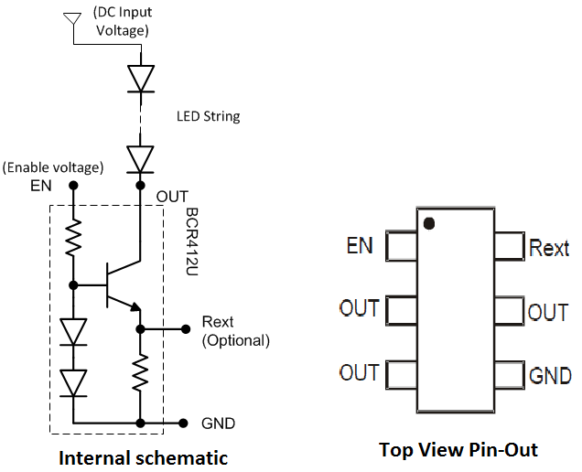

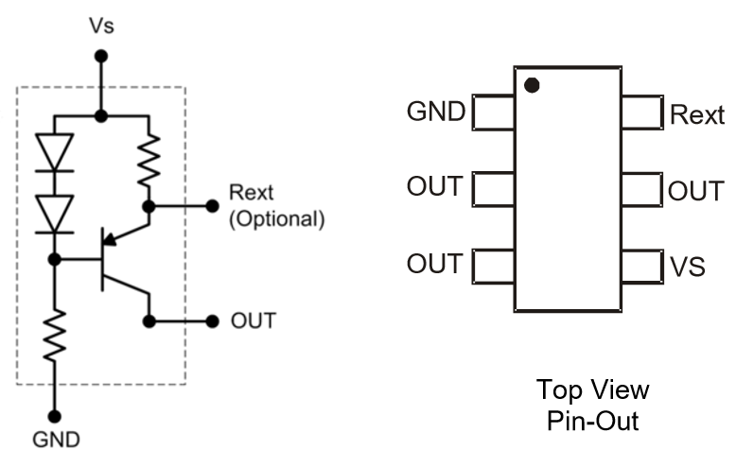

BCR42X
BCR40X

Notes
BCR4XX Calculator - issue 1.0
BCR4XX calculator is a tool to estimate the performance of the device in various applications. It assists the sysrtem design by calculating key parameters like the external resistor value for any desired current, power losses in the BCR4XX , rise in the junction temeperature and its effect on the set LED current. A brief description of the required input parameters and the calculated output parameters is given below.

Input parameters | Description
Line voltage | This value can be chosen based on the requirement and the availablity of rail voltages in the system, but care must be taken to sufficicently drop this voltage across the LED string to limit the voltage apperaring on the OUT pin within its rated specification. Higher voltages on the OUT pin, results in higher power dissipation across the BCR420/421, but too low voltages may result in poor reqgulation and insufficient head room . A recommeneded Vout range is suggested in the calculator.
No of LEDs | Enter the number of LEDs connected in series between the Line and the OUT pin.
LED current | Enter the required LED current, at the set ambient temperature, here.
Enable voltage | Enter the enable voltage here. Based on the chosen device type and the LED current, an enable voltage is recommended by the calculator. If the entered voltage is different from the recommended voltage, calculator highlights this input in red.
Vf per LED | Enter the forward voltage drop per LED at the required average output current.
Ambient temperature | Enter the device ambient temperature. The calculator accepts values in the range -55 to 155 °C
Cu area in mm square | Enter the Cu area of the PCB in contact with the BCR4XX OUT pins. The calculator accepts values in the range 25mm2 to 2500mm2.

Output parameters | Description
Vout | The is the voltage appearing at the OUT pin of the device. If this voltage is outside the recommended range, calculator issues a warning.
Rext | calculator gives an external resistance value for any required LED current.
Power Dissipation in BCR | Total power disspation in the BCR.
Power Dissipation in Rext | Power dissipation in the external resistor.
Pin | Total power input.
sys efficiency | efficiency of the system is calculated based on the total input power and power disspation in the BCR and the external resistor.
Rth(JA) | For a given Cu area, this value is calculated from the thermal information provided in the datasheet.
Tj | operating the junction temperature of the BCR
LED current at the operating Tj | LED current at the operating the junction temperature.

